Table 1
ZOI-SL-IL-6200 ZOI Ilios 6000 Series Surgical Light - Double Dome
No. | Nama Bahan Baku | Spesifikasi | Foto Bahan Baku | Jumlah | Satuan Bahan Baku | Produsen | Status
1 | Power Supply | 110-240 VAC 50-60Hz 24V/5A |  | 2 | pcs | Fepdon(Nanjing) Medical Technology Co., Ltd | mpor
2 | Konektor Terminal PCT | PCT-2-2 |  | 2 | pcs | Fepdon(Nanjing) Medical Technology Co., Ltd | mpor
3 | Base Plat Plafon | Steel 10 mm 240 x 240 x 14mm | 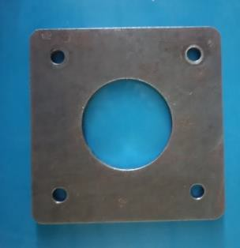 | 1 | pcs | PT. Atmi Mikael Fortuna | Lokal
4 | Pipa Gantung | Steel 0 115 mm L 49 cm | 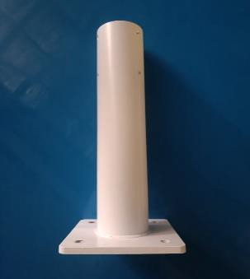 | 1 | pcs | PT. Atmi Mikael Fortuna | Lokal
5 | Threaded Rod | Stainles Steel M16 x 300 | 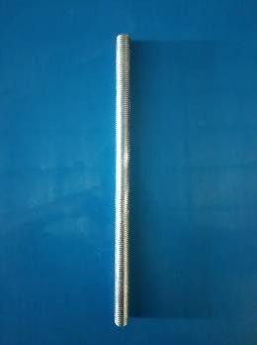 | 4 | pcs | PT. Atmi Mikael Fortuna | Lokal
6 | Hex Nut | Stainles Steel 0 M16 | 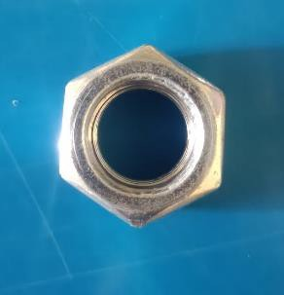 | 16 | pcs | PT Garuda Metalindo | Lokal
7 | Ring | 0 16 mm | 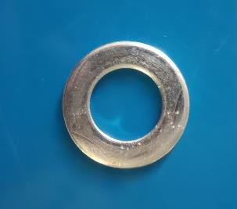 | 8 | pcs | PT Garuda Metalindo | Lokal
8 | Ring Per | 0 16 mm | 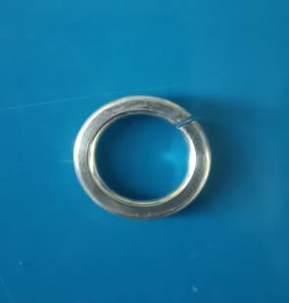 | 8 | pcs | PT Garuda Metalindo | Lokal
9 | Cover Plat Atap | Plastik ABS | 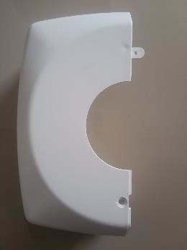 | 2 | pcs | PT Cahaya Hasil Cemerlang Multi Manufaktur | Lokal
10 | Baut JF | M3 x 10 | 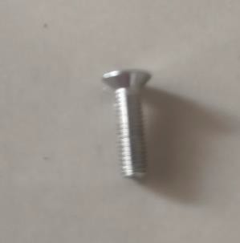 | 4 | pcs | PT Garuda Metalindo | Lokal
11 | Stopper Cover Plafon | Plastik ABS |  | 2 | pcs | Fepdon(Nanjing) Medical Technology Co., Ltd | mpor
12 | Baut L | M4 x 12 mm | 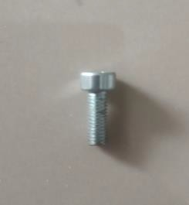 | 2 | pcs | PT Garuda Metalindo | Lokal
13 | Steel Handle Sterilisasi | Alumunium | 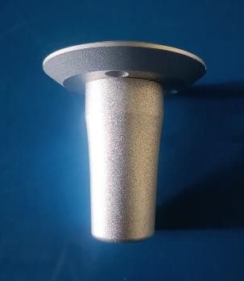 | 2 | pcs | Fepdon(Nanjing) Medical Technology Co., Ltd | mpor
14 | Baut JF | M4 x15 mm | 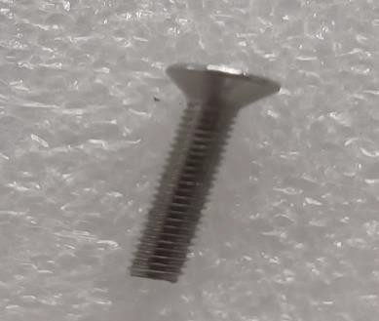 | 6 | pcs | PT Garuda Metalindo | Lokal
15 | Cover Hendel Sterilisasi | Plastik ABS | 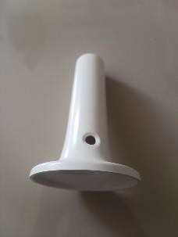 | 2 | pcs | PT Cahaya Hasil Cemerlang Multi Manufaktur | Lokal
16 | Baut JF | M3 x 10 | 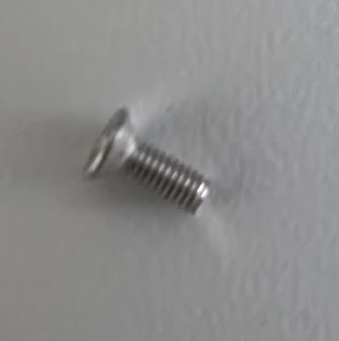 | 8 | pcs | PT Garuda Metalindo | Lokal
17 | Cover Kompartemen Kabel Arm | Plastik ABS | 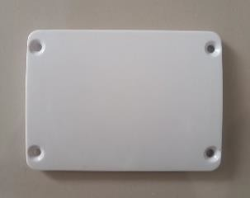 | 2 | pcs | PT Delta Tecno Pacific | Lokal
18 | Tutup Pipa Arm Light | 0 45 mm | 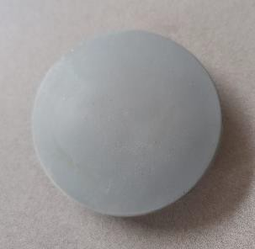 | 8 | pcs | PT Delta Tecno Pacific | Lokal
19 | Cover Head Lamp | Plastik ABS | 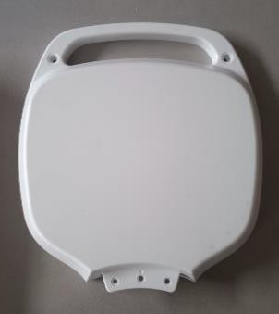 | 8 | pcs | PT Delta Tecno Pacific | Lokal
20 | Baut L | M5 x 12 mm |  | 24 | pcs | PT Garuda Metalindo | Lokal
21 | Baut L | M5 x 12 mm |  | 1 | pcs | PT Garuda Metalindo | Lokal
22 | baut JP Head Lamp | M4 x 10 mm | 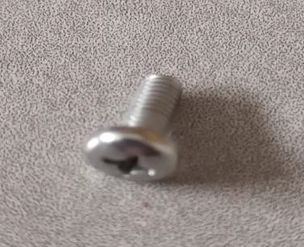 | 16 | pcs | PT Garuda Metalindo | Lokal
23 | Plug Baut JP Headlamp | Plastik | 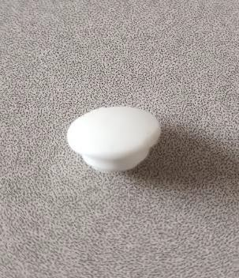 | 16 | pcs | Fepdon(Nanjing) Medical Technology Co., Ltd | mpor
24 | Cover Depan Headlamp | Plastik ABS | 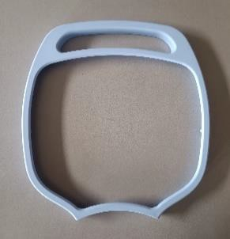 | 8 | pcs | Fepdon(Nanjing) Medical Technology Co., Ltd | mpor
25 | Kaca Melamin Head Lamp | Kaca Melamin | 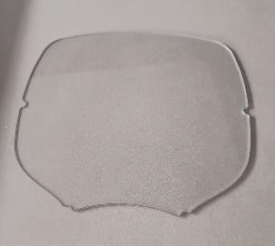 | 8 | pcs | Fepdon(Nanjing) Medical Technology Co., Ltd | mpor
26 | Screw JP | M3 x 22 mm |  | 48 | pcs | PT Garuda Metalindo | Lokal
27 | Reflektor Lamp Head | Plastik ABS | 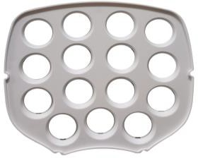 | 8 | pcs | PT Delta Tecno Pacific | Lokal
28 | Kabel Head Lamp | Tembaga, karet, Molex | 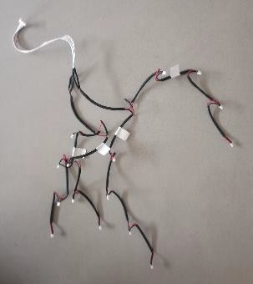 | 8 | set | PT Leoco ndonesia | Lokal
29 | Back Cover Lamp | Steel | 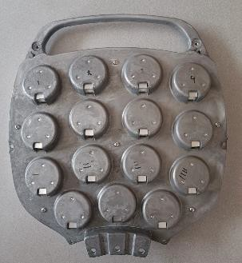 | 8 | pcs | Fepdon(Nanjing) Medical Technology Co., Ltd | mpor
30 | Skrup JP | M3 x 15 mm | 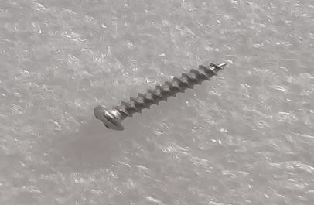 | 48 | pcs | PT Garuda Metalindo | Lokal
31 | PCB Lamp Driver | PCB | 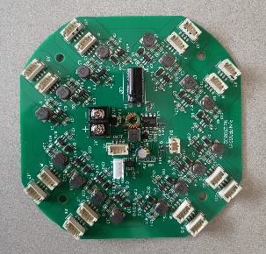 | 2 | pcs | Fepdon(Nanjing) Medical Technology Co., Ltd | mpor
32 | Cover Lamp Head Tengah | Plastik ABS | 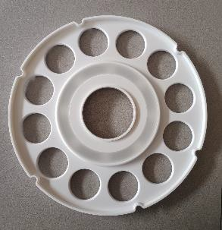 | 2 | pcs | PT Delta Tecno Pacific | Lokal
33 | Kaca Mika Lamp Head Tengah | Kaca Mika | 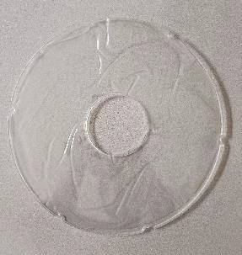 | 2 | pcs | PT Delta Tecno Pacific | Lokal
34 | Lis Lamp Head Tengah | Plastik ABS | 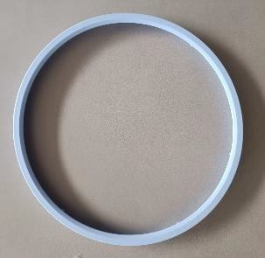 | 2 | pcs | PT Delta Tecno Pacific | Lokal
35 | Screw Head Lamp Tengah | M3 x 35 mm |  | 12 | pcs | PT Garuda Metalindo | Lokal
36 | Lampu LED | Bulb | 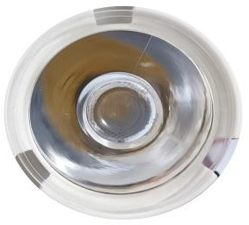 | 144 | pcs | Fepdon(Nanjing) Medical Technology Co., Ltd | mpor
37 | LED Strip 16 Mata | LED Strip | 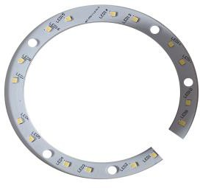 | 2 | pcs | Fepdon(Nanjing) Medical Technology Co., Ltd | mpor
38 | Baut JF | M3 x 3 mm | 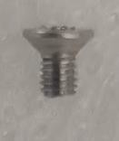 | 10 | pcs | PT Garuda Metalindo | Lokal
39 | Panel Kontrol Touchscreen | LCD Touchscreen, Semikonduktor, PCB, Alumunium |  | 2 | set | Fepdon(Nanjing) Medical Technology Co., Ltd | mpor
40 | Bending Arm | Steel |  | 2 | set | Fepdon(Nanjing) Medical Technology Co., Ltd | mpor
41 | Lower Spring Arm | Steel |  | 2 | set | Fepdon(Nanjing) Medical Technology Co., Ltd | mpor
42 | Head Lamp Arm | Steel |  | 2 | pcs | Fepdon(Nanjing) Medical Technology Co., Ltd | mpor
43 | Cover Engsel Arm | Plastik ABS |  | 8 | pcs | PT Delta Tecno Pacific | Lokal
44 | Cover Belakang Head Lamp | Plastik ABS | 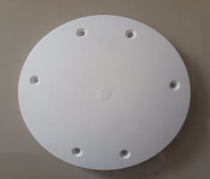 | 2 | pcs | PT Delta Tecno Pacific | Lokal
45 | Baut L | M4 x 25 mm | 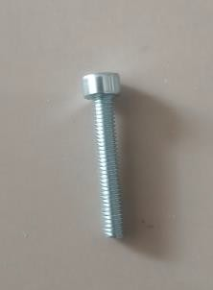 | 16 | pcs | PT Garuda Metalindo | Lokal
46 | Plug Penutup Baut | Plastik ABS | 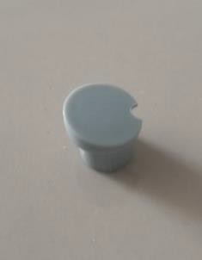 | 16 | pcs | PT Delta Tecno Pacific | Lokal
47 | Baut L | M4 x 10 | 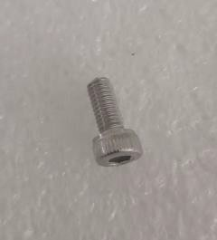 | 14 | pcs | PT Garuda Metalindo | Lokal
48 | Baut Hexagone | M6 x 30 |  | 16 | pcs | PT Garuda Metalindo | Lokal
49 | Ring | M6 |  | 16 | pcs | PT Garuda Metalindo | Lokal
50 | Upper Arm 1 | Alumunium 800 mm, Pipa Ceiling : - 0 Luar : 12 cm, - 0 Dalam : 8 cm Pipa Lower Arm : - 0 Luar : 8 cm, - 0 Dalam : 5 cm |  | 1 | pcs | PT. Alakasa Andalan Mitra Sejati | Lokal
51 | Upper Arm 2 | Alumunium 900 mm, Pipa Ceiling : - 0 Luar : 12 cm, - 0 Dalam : 8 cm Pipa Lower Arm : - 0 Luar : 8 cm, - 0 Dalam : 5 cm |  | 1 | pcs | PT. Alakasa Andalan Mitra Sejati | Lokal
52 | Bearing | Tipe 16010 (50 x 80 x 10 mm) | 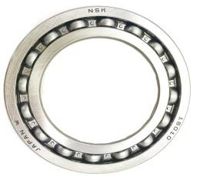 | 4 | pcs | PT. Alva Prima LTC | Lokal
53 | Kabel Konektor Ceiling to Power Supply | Kabel 3 core 100 cm | 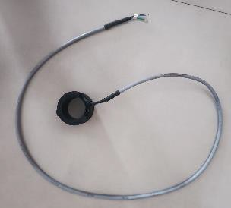 | 2 | set | Fepdon(Nanjing) Medical Technology Co., Ltd | mpor
54 | Kabel Konektor Ceiling to Lower Arm | Kabel 3 core 80 cm | 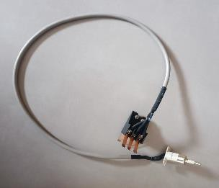 | 2 | set | Fepdon(Nanjing) Medical Technology Co., Ltd | mpor
55 | Karet Penutup Pipa Upper Arm | Karet, 0 dalam : 10.5 cm, 0 Luar : 13 cm | 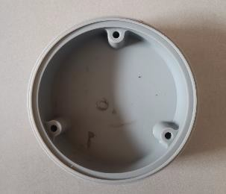 | 1 | pcs | Fepdon(Nanjing) Medical Technology Co., Ltd | mpor
56 | Baut Plug Penutup Pipa Upper Arm | Stainless Steel, M4 x 5 mm, L18, 0 Plug 8 mm | 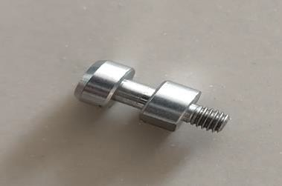 | 3 | pcs | PT Garuda Metalindo | Lokal
57 | Baut JP | M3 x 6 mm | 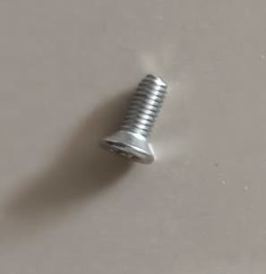 | 8 | pcs | PT Garuda Metalindo | Lokal
58 | Baut Stopper Upper Arm | M12 x 34 mm |  | 4 | pcs | Fepdon(Nanjing) Medical Technology Co., Ltd | mpor
59 | Retaining Four-Slot Slotted Round Nuts | Carbon Steel, M50 x 1.5mm, 0 luar : 69 mm, Tinggi : 11 mm | 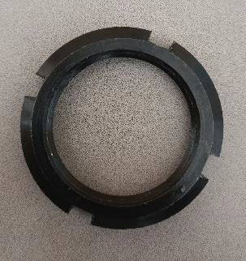 | 1 | pcs | Fepdon(Nanjing) Medical Technology Co., Ltd | mpor
60 | Ring Stopper Retaining Four-Slot Slotted Round Nuts | Stainles Steel, 0 50 mm | 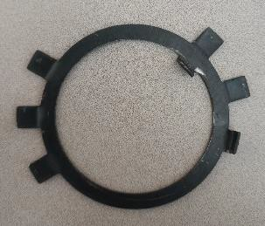 | 1 | pcs | Fepdon(Nanjing) Medical Technology Co., Ltd | mpor
61 | Penutup Upper Arm | Plastik ABS | 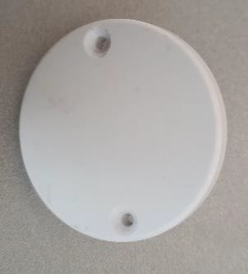 | 2 | pcs | PT Delta Tecno Pacific | Lokal
62 | Skrup | M3 x 15 mm | 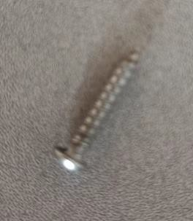 | 4 | pcs | PT Garuda Metalindo | Lokal
63 | Ring | Stainless Steel, 0 Dalam 50 mm, 0 Luar 60 mm | 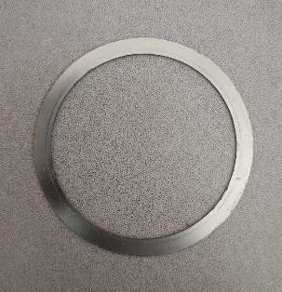 | 2 | pcs | Fepdon(Nanjing) Medical Technology Co., Ltd | mpor
64 | Hex Socket Set Upper Arm | M6 x 16 mm | 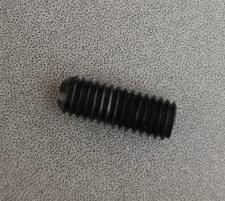 | 6 | pcs | Fepdon(Nanjing) Medical Technology Co., Ltd | mpor
65 | Snap Ring | 0 48 mm | 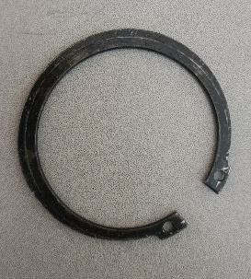 | 1 | pcs | Fepdon(Nanjing) Medical Technology Co., Ltd | mpor
66 | Baut JP Hexagone | M6 x 12 mm | 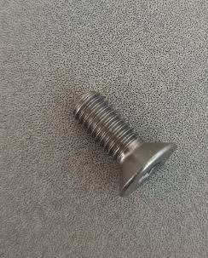 | 6 | pcs | PT Garuda Metalindo | Lokal
67 | Baut Hexagone | M6 x 11 mm | 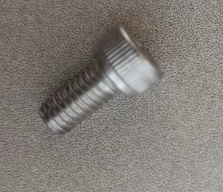 | 4 | pcs | PT Garuda Metalindo | Lokal
68 | Baut Hexagone | M6 x 25 mm |  | 2 | pcs | PT Garuda Metalindo | Lokal
69 | Baut Hexagone | M4 x 12 mm |  | 6 | pcs | PT Garuda Metalindo | Lokal
70 | Housing Bearing | 0 48 mm, Tinggi 77 mm |  | 2 | pcs | PT. Atmi Mikael Fortuna | Lokal
71 | Needle Roller Bearing | 32 x 38 x 20 (0 Dalam x 0 Luar x Tinggi) |  | 2 | pcs | PT. Alva Prima LTC | Lokal
72 | Shaft Ceiling | Stainless Steel |  | 1 | pcs | PT. Atmi Mikael Fortuna | Lokal
73 | Ring Ceiling | Stainless Steel, 0 Dalam 50 mm |  | 2 | pcs | PT. Atmi Mikael Fortuna | Lokal
74 | Petunjuk Penggunaan | Kertas A5 |  | 1 | pcs | PT Cahaya Hasil Cemerlang Multi Manufaktur | Lokal
75 | Kartu Garansi | Kertas A6 |  | 1 | pcs | PT Cahaya Hasil Cemerlang Multi Manufaktur | Lokal
76 | Lamp Corrugated Box | Corrugated Double Wall |  | 1 | pcs | PT karya ndah Utama Packindo | Lokal
77 | Arm Corrugated Box | Corrugated Double Wall |  | 3 | pcs | PT karya ndah Utama Packindo | Lokal
78 | Aksesoris Corrugated Box | Corrugated Double Wall |  | 1 | pcs | PT karya ndah Utama Packindo | Lokal
79 | Wooden Box | Kayu |  | 1 | pcs | PT Cahaya Hasil Cemerlang Multi Manufaktur | Lokal
80 | Bubble Wrap | Plastik |  | 1 | set | PT Cahaya Hasil Cemerlang Multi Manufaktur | Lokal
81 | Stiker QC Pass | Vinyl |  | 1 | pcs | PT Cahaya Hasil Cemerlang Multi Manufaktur | Lokal
82 | Label | Vinyl |  | 1 | pcs | PT Cahaya Hasil Cemerlang Multi Manufaktur | Lokal

